T - Genetics
Genetics Cohort Summary
Diagnosis status and pathogenic/likely-pathogenic variants across ENG, ACVRL1, SMAD4, and GDF2

DIAGNOSIS VS. VARIANT STATUS
HHT diagnosis | Qualifying variant | People | Cohort share
Yes | Yes | 38 | 2.9% | clinical + genetic
Yes | No | 222 | 17.0% | clinical only
No | Yes | 1,047 | 80.1%

CARRIER COUNTS BY GENE
Gene | Carriers |  | Total
ENG | 794 |  | 1,085 | Two explanations for why many HHT patients apparently have no mutation that may be both partially correct: 1) People are being diagnosed clinically and yet they have no mutation = maybe they're being overdiagnosed 2) We are missing variants because this is just based on ClinVar which probably only captures ~60% of known pathogenic and likely pathogenic variants, and misses potentially pathogenic variants per ACMG - see figure from Gaetani below:
ACVRL1 | 246
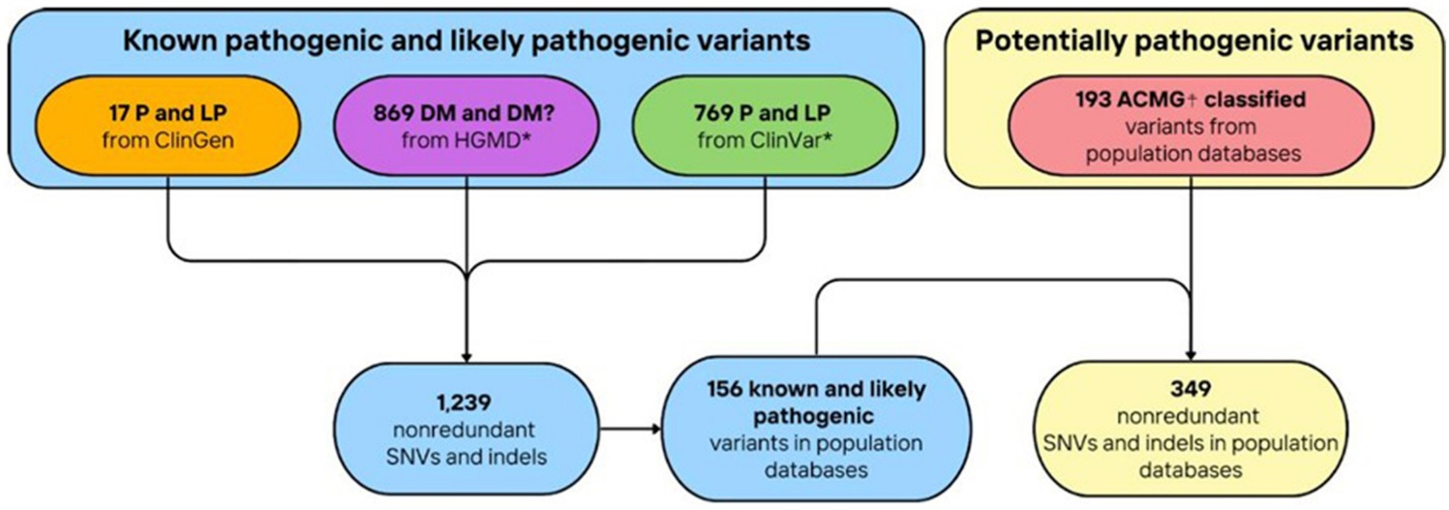
SMAD4 | 9
GDF2 | 36
Carrier categories are not mutually exclusive; however, no person carried qualifying variants in more than one of these four genes.

DIAGNOSIS BY OBSERVED GENE COMBINATION
HHT diagnosis | Gene combination | People | Cohort share
Yes | None | 222 | 17.0%
Yes | ACVRL1 | 22 | 1.7%
Yes | ENG | 14 | 1.1%
Yes | SMAD4 | 2 | 0.2%
No | ENG | 780 | 59.7%
No | ACVRL1 | 224 | 17.1%
No | GDF2 | 36 | 2.8%
No | SMAD4 | 7 | 0.5%

STRUCTURAL VARIANTS
Findings: structural variants (SVs) are extremely rare in the study population (<0.1%). 49 of our 260 HHT-diagnosed people have SV data, and 0 of them have SVs disrupting our target genes.

F - Symptom rates
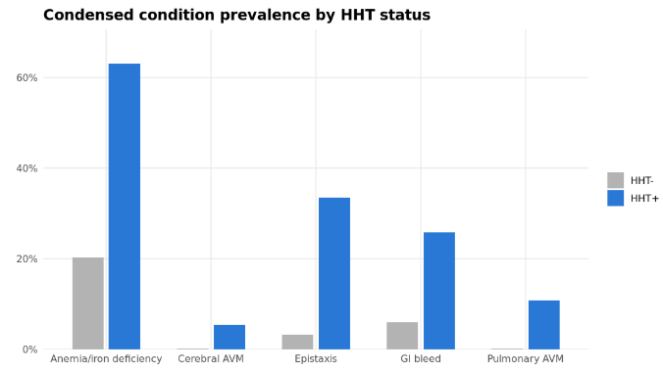

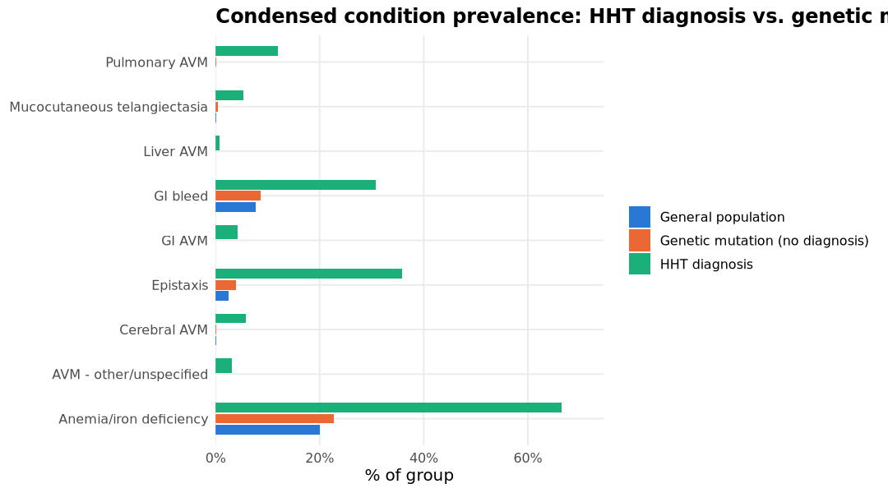

 |  |  |  |  |  |  |  |  |  |  |  | probably underdiagnosed because they don't have symptoms
 |  |  |  |  |  |  |  |  |  |  |  | confirm if the eng/acvrl1 mutation is sufficient to diagnose them with hht
 |  |  |  |  |  |  |  |  |  |  |  | end goal: AoU told us that a ton of people have underlying undiagnosed HHT?

 |  |  |  |  |  |  |  |  |  |  |  | Techniques: conditions + NLP + "control of epistaxis" patients

SYMPTOM AND CONDITION RATES
Reported clinical conditions among participants with diagnosed HHT and variant-positive participants without an HHT diagnosis
HHT status | Condition category | People | Group size | Rate |  | Study group | Condition category | People | Group size | Rate
Present | Anemia/iron deficiency | 164 | 260 | 63.1% |  | General population | AVM - other/unspecified | 155 | 745,722 | 0.02%
Absent | Anemia/iron deficiency | 212 | 1,047 | 20.2% |  | Genetic mutation (no diagnosis) |  | 0 | 1,047 | 0.00%
Present | Cerebral AVM | 14 | 260 | 5.4% |  | HHT diagnosis |  | 8 | 260 | 3.08%
Absent | Cerebral AVM | 1 | 1,047 | 0.1% |  | General population | Anemia/iron deficiency | 149,827 | 745,722 | 20.09%
Present | Epistaxis | 87 | 260 | 33.5% |  | Genetic mutation (no diagnosis) |  | 238 | 1,047 | 22.73%
Absent | Epistaxis | 33 | 1,047 | 3.2% |  | HHT diagnosis |  | 173 | 260 | 66.54%
Present | GI AVM | 11 | 260 | 4.2% |  | General population | Cerebral AVM | 1,129 | 745,722 | 0.15%
Absent | GI AVM | 0 | 1,047 | 0.0% |  | Genetic mutation (no diagnosis) |  | 1 | 1,047 | 0.10%
Present | GI bleed | 67 | 260 | 25.8% |  | HHT diagnosis |  | 15 | 260 | 5.77%
Absent | GI bleed | 62 | 1,047 | 5.9% |  | General population | Epistaxis | 19,068 | 745,722 | 2.56%
Present | Mucocutaneous telangiectasia | 1 | 260 | 0.4% |  | Genetic mutation (no diagnosis) |  | 41 | 1,047 | 3.92%
Absent | Mucocutaneous telangiectasia | 3 | 1,047 | 0.3% |  | HHT diagnosis |  | 93 | 260 | 35.77%
Present | Pulmonary AVM | 28 | 260 | 10.8% |  | General population | GI AVM | 235 | 745,722 | 0.03%
Absent | Pulmonary AVM | 1 | 1,047 | 0.1% |  | Genetic mutation (no diagnosis) |  | 0 | 1,047 | 0.00%
 |  |  |  |  |  | HHT diagnosis |  | 11 | 260 | 4.23%
Of all 19,202 people who have ever had an epistaxis diagnosis code, 68 (0.35%) bore a qualifying P/LP variant: 39 ENG, 27 ACVRL1, 2 SMAD4, 0 GDF2. |  |  |  |  |  | General population | GI bleed | 57,633 | 745,722 | 7.73%
 |  |  |  |  |  | Genetic mutation (no diagnosis) |  | 91 | 1,047 | 8.69%
 |  |  |  |  |  | HHT diagnosis |  | 80 | 260 | 30.77%
Carrier epistaxis rate: 68 / 1085 = 6.27% |  |  |  |  |  | General population | Liver AVM | 5 | 745,722 | 0.00%
Non-carrier epistaxis rate: 19134 / 745944 = 2.57% |  |  |  |  |  | Genetic mutation (no diagnosis) |  | 0 | 1,047 | 0.00%
Odds ratio: 2.54, Fisher's exact p = 6.08e-11 |  |  |  |  |  | HHT diagnosis |  | 2 | 260 | 0.77%
 |  |  |  |  |  | General population | Mucocutaneous telangiectasia | 774 | 745,722 | 0.10%
 |  |  |  |  |  | Genetic mutation (no diagnosis) |  | 5 | 1,047 | 0.48%
Symptom Rates: HHT Cases vs Non-HHT Controls |  |  |  |  |  | HHT diagnosis |  | 14 | 260 | 5.38%
Comparison by diagnosis status, without regard to genetic variant status |  |  |  |  |  | General population | Pulmonary AVM | 112 | 745,722 | 0.02%
Condition category | HHT case (n=260) |  | Non-HHT control (n=746,769) |  |  | Genetic mutation (no diagnosis) |  | 1 | 1,047 | 0.10%
 | People | Rate | People | Rate |  | HHT diagnosis |  | 31 | 260 | 11.92%
AVM - other/unspecified | 8 | 3.1% | 155 | 0.0%
Anemia/iron deficiency | 173 | 66.5% | 150,065 | 20.1%
Cerebral AVM | 15 | 5.8% | 1,130 | 0.2%
Epistaxis | 93 | 35.8% | 19,109 | 2.6%
GI AVM | 11 | 4.2% | 235 | 0.0% |  | Table 2 (2+ diagnoses): Symptom Rates
GI bleed | 80 | 30.8% | 57,724 | 7.7% |  | Comparison by HHT diagnosis status among participants meeting the 2+ diagnosis definition
Liver AVM | 2 | 0.8% | 5 | 0.0%
Mucocutaneous telangiectasia | 14 | 5.4% | 779 | 0.1% |  | Condition category | HHT case (n=163) |  | Non-HHT control (n=746,769)
Pulmonary AVM | 31 | 11.9% | 113 | 0.0% |  |  | People | Rate | People | Rate | p-adj
 |  |  |  |  |  | AVM - other/unspecified | 7 | 4.3% | 155 | 0.0% | <0.001
Rates are calculated from the group sizes shown in the column headers. |  |  |  |  |  | Anemia/iron deficiency | 117 | 71.8% | 150,065 | 20.1% | <0.001
 |  |  |  |  |  | Cerebral AVM | 14 | 8.6% | 1,130 | 0.2% | <0.001
Age at First Symptom Diagnosis |  |  |  |  |  | Epistaxis | 77 | 47.2% | 19,109 | 2.6% | <0.001
HHT-diagnosed participants; ages shown in years |  |  |  |  |  | GI AVM | 10 | 6.1% | 235 | 0.0% | <0.001
Condition category | n | Median age | Interquartile range |  |  | GI bleed | 56 | 34.4% | 57,724 | 7.7% | <0.001
AVM - other/unspecified | 8 | 44.5 | 32.2–54.4 |  |  | Liver AVM | 2 | 1.2% | 5 | 0.0% | <0.001
Anemia/iron deficiency | 173 | 55.7 | 42.0–66.3 |  |  | Mucocutaneous telangiectasia | 13 | 8.0% | 779 | 0.1% | <0.001
Cerebral AVM | 15 | 53.0 | 42.6–64.9 |  |  | Pulmonary AVM | 29 | 17.8% | 113 | 0.0% | <0.001
Epistaxis | 93 | 55.3 | 41.8–62.8
GI AVM | 11 | 62.7 | 54.1–68.3
GI bleed | 80 | 54.1 | 43.5–65.6
Liver AVM | 2 | 64.4 | 63.9–64.9
Mucocutaneous telangiectasia | 14 | 61.2 | 37.7–66.1
Pulmonary AVM | 31 | 53.7 | 44.3–66.5

(2+ diagnoses) Age at First Symptom Diagnosis
A tibble: 9 × 6
hht | condition_category | n | median_age | q1_age | q3_age
<lgl> | <chr> | <int> | <dbl> | <dbl> | <dbl>
TRUE | AVM - other/unspecified | 7 | 40 | 31 | 50.5
TRUE | Anemia/iron deficiency | 117 | 55 | 41 | 65
TRUE | Cerebral AVM | 14 | 53.5 | 41 | 65.25
TRUE | Epistaxis | 77 | 54 | 40 | 62
TRUE | GI AVM | 10 | 60.5 | 52.75 | 66.5
TRUE | GI bleed | 56 | 55.5 | 41.75 | 65.5
TRUE | Liver AVM | 2 | 64 | 63.5 | 64.5
TRUE | Mucocutaneous telangiectasia | 13 | 62 | 34 | 66
TRUE | Pulmonary AVM | 29 | 52 | 43 | 66

F - Medication use
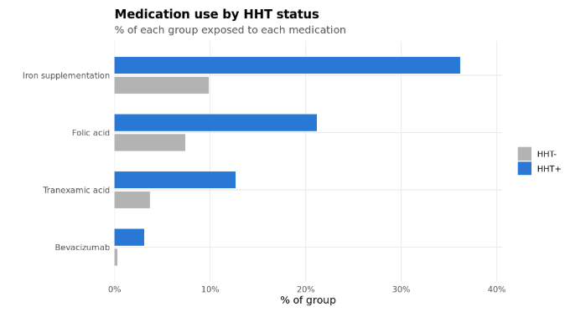

F - Procedures
Procedure Use by HHT Status
Recorded procedures among participants with diagnosed HHT and variant-positive participants without an HHT diagnosis

PROCEDURE RATES
Procedure category | HHT status | People | Group size | Rate
AVM surgery/embolization | Present | 1 | 260 | 0.4%
 | Absent | 0 | 1,047 | 0.0%
Control of epistaxis | Present | 24 | 260 | 9.2%
 | Absent | 10 | 1,047 | 1.0%
GI endoscopy/procedure | Present | 69 | 260 | 26.5%
 | Absent | 89 | 1,047 | 8.5%
Other embolization/vascular procedure | Present | 14 | 260 | 5.4%
 | Absent | 1 | 1,047 | 0.1%
Transfusion | Present | 4 | 260 | 1.5%
 | Absent | 5 | 1,047 | 0.5% | Procedure Use Across Study Groups
 |  |  |  |  | Recorded procedures in the general population, variant-positive participants without an HHT diagnosis, and participants diagnosed with HHT |  |  |  |  | consider matching based on HTN, ?COPD?, ESRD, stuff that will affect bleeding?
 |  |  |  |  | PROCEDURE RATES BY STUDY GROUP
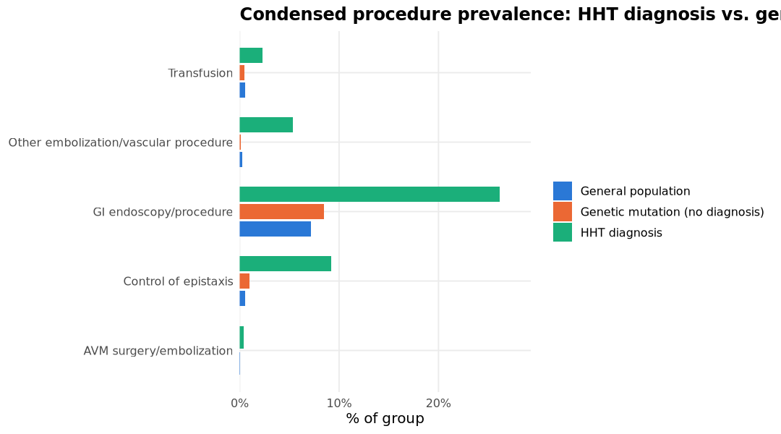
 |  |  |  |  | Procedure category | Study group | People | Group size | Rate
 |  |  |  |  | AVM surgery/embolization | General population | 56 | 745,722 | 0.01%
 |  |  |  |  |  | Genetic mutation (no diagnosis) | 0 | 1,047 | 0.00%
 |  |  |  |  |  | HHT diagnosis | 1 | 260 | 0.38%
 |  |  |  |  | Control of epistaxis | General population | 4,040 | 745,722 | 0.54%
 |  |  |  |  |  | Genetic mutation (no diagnosis) | 10 | 1,047 | 0.96%
 |  |  |  |  |  | HHT diagnosis | 24 | 260 | 9.23%
 |  |  |  |  | GI endoscopy/procedure | General population | 53,335 | 745,722 | 7.15%
 |  |  |  |  |  | Genetic mutation (no diagnosis) | 89 | 1,047 | 8.50%
 |  |  |  |  |  | HHT diagnosis | 68 | 260 | 26.15%
 |  |  |  |  | Other embolization/vascular procedure | General population | 1,911 | 745,722 | 0.26%
 |  |  |  |  |  | Genetic mutation (no diagnosis) | 1 | 1,047 | 0.10%
 |  |  |  |  |  | HHT diagnosis | 14 | 260 | 5.38%
 |  |  |  |  | Transfusion | General population | 4,011 | 745,722 | 0.54%
 |  |  |  |  |  | Genetic mutation (no diagnosis) | 5 | 1,047 | 0.48%
 |  |  |  |  |  | HHT diagnosis | 6 | 260 | 2.31%

(2+ Diagnoses) Procedure Rates
hht | procedure_category | n_persons | hht_n | pct
<lgl> | <chr> | <int> | <int> | <dbl>
TRUE | AVM surgery/embolization | 1 | 163 | 0.6
FALSE | AVM surgery/embolization | 56 | 746769 | 0
TRUE | Control of epistaxis | 21 | 163 | 12.9
FALSE | Control of epistaxis | 4050 | 746769 | 0.5
TRUE | GI endoscopy/procedure | 48 | 163 | 29.4
FALSE | GI endoscopy/procedure | 53424 | 746769 | 7.2
TRUE | Other embolization/vascular procedure | 12 | 163 | 7.4
FALSE | Other embolization/vascular procedure | 1912 | 746769 | 0.3
TRUE | Transfusion | 4 | 163 | 2.5
FALSE | Transfusion | 4016 | 746769 | 0.5

F - Geographic distribution
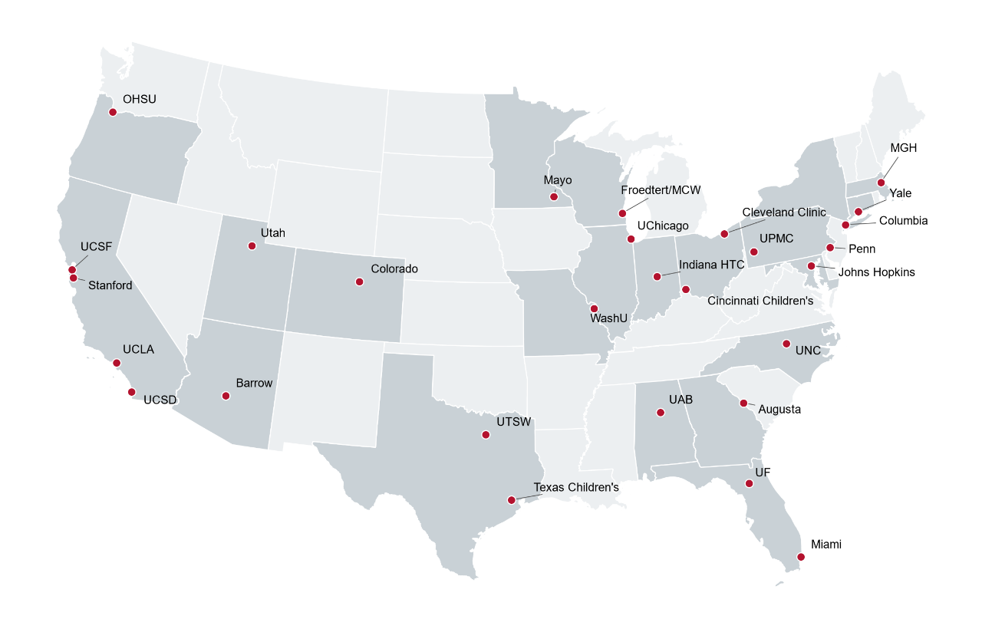
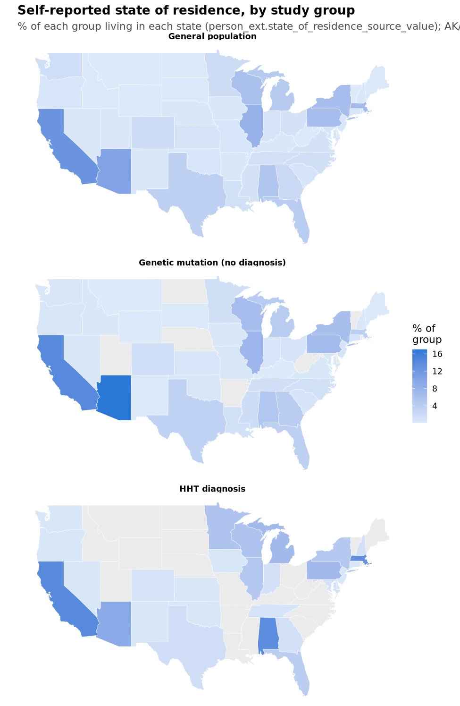
Top Self-Reported States by Study Group
Study group | State | Participants | Share of group
General population | CA | 630 | 12.6% |  |  | Linkage to a Real EHR Clinical Site, by Group
 | AZ | 516 | 10.3% |  |  | Study group | Participants | Linked to EHR site | Linked (%)
 | IL | 398 | 8.0% |  |  | General population | 5,000 | 2,551 | 51.0%
 | MA | 333 | 6.7% |  |  | Genetic mutation (no diagnosis) | 1,047 | 619 | 59.1%
 | PA | 322 | 6.4% |  |  | HHT diagnosis | 260 | 240 | 92.3%
Genetic mutation (no diagnosis) | AZ | 178 | 17.0%
 | CA | 149 | 14.2%
 | IL | 77 | 7.4% |  |  | Site Concentration Among Participants With a Linked EHR Site
 | PA | 71 | 6.8% |  |  | Study group | Linked participants | Distinct sites | Top site | Top-site share | HHI
 | WI | 66 | 6.3% |  |  | General population | 2,551 | 61 | EHR site 699 | 8.8% | 0.040
HHT diagnosis | CA | 37 | 14.2% |  |  | Genetic mutation (no diagnosis) | 619 | 51 | EHR site 321 | 12.3% | 0.044
 | AL | 36 | 13.8% |  |  | HHT diagnosis | 240 | 30 | EHR site 392 | 15.4% | 0.076
 | MA | 34 | 13.1%
 | AZ | 24 | 9.2%
 | MI | 18 | 6.9% |  |  | Top Primary EHR Sites by Study Group
 | PA | 18 | 6.9% |  |  | Study group | Primary EHR site | Participants | Share of linked
 |  |  |  |  |  | General population | EHR site 699 | 224 | 8.8%
State Enrichment Among HHT-Diagnosed Participants |  |  |  |  |  |  | EHR site 321 | 223 | 8.7%
HHT share compared with the All of Us baseline; values above 1.0 indicate over-representation |  |  |  |  |  |  | EHR site 305 | 180 | 7.1%
State | HHT participants | HHT share | AoU baseline participants | AoU baseline share | Enrichment ratio |  | EHR site 638 | 133 | 5.2%
AL | 36 | 13.85% | 444 | 4.45% | 3.11x |  | EHR site 195 | 109 | 4.3%
MN | 14 | 5.38% | 198 | 1.98% | 2.72x | Genetic mutation (no diagnosis) | EHR site 321 | 76 | 12.3%
MA | 34 | 13.08% | 688 | 6.89% | 1.90x |  | EHR site 699 | 59 | 9.5%
MI | 18 | 6.92% | 459 | 4.60% | 1.50x |  | EHR site 638 | 25 | 4.0%
CA | 37 | 14.23% | 1,255 | 12.58% | 1.13x |  | EHR site 765 | 25 | 4.0%
WI | 14 | 5.38% | 511 | 5.12% | 1.05x |  | EHR site 250 | 23 | 3.7%
PA | 18 | 6.92% | 683 | 6.84% | 1.01x |  | EHR site 305 | 23 | 3.7%
FL | 10 | 3.85% | 421 | 4.22% | 0.91x | HHT diagnosis | EHR site 392 | 37 | 15.4%
AZ | 24 | 9.23% | 1,087 | 10.89% | 0.85x |  | EHR site 305 | 31 | 12.9%
NY | 12 | 4.62% | 563 | 5.64% | 0.82x |  | EHR site 638 | 22 | 9.2%
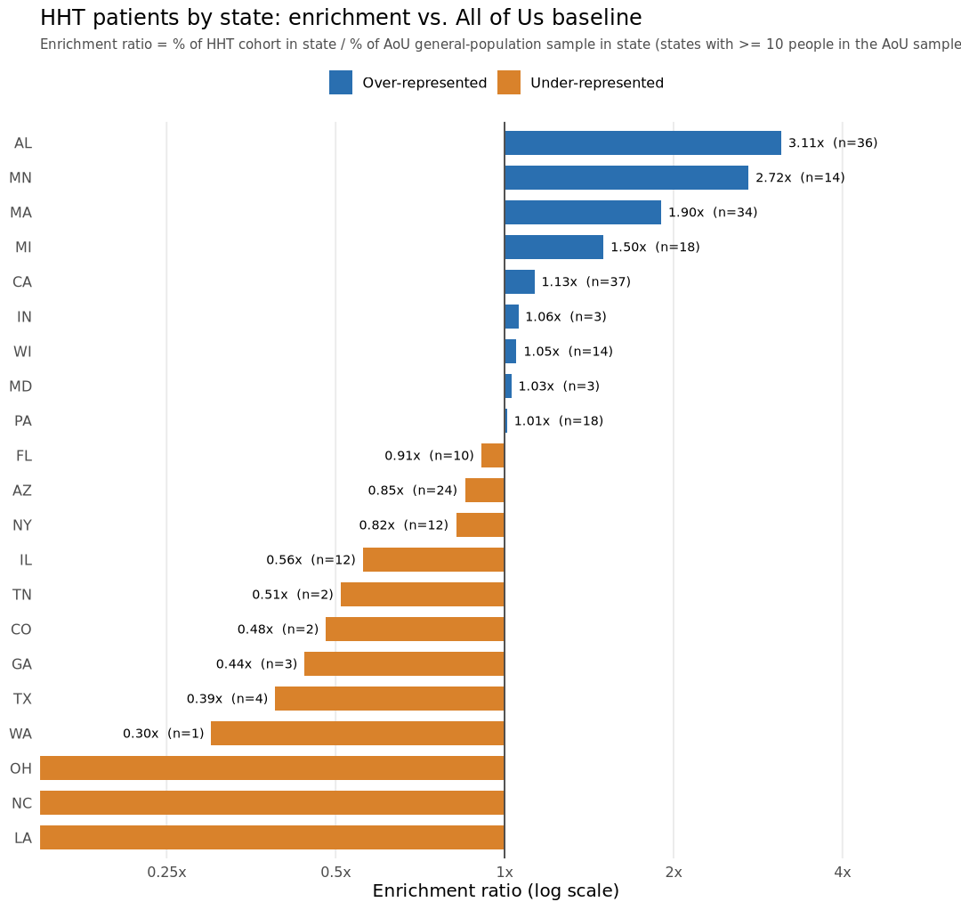
 |  |  |  |  |  |  | EHR site 321 | 19 | 7.9%
 |  |  |  |  |  |  | EHR site 699 | 17 | 7.1%

 |  |  |  |  |  | Primary EHR site × study group: χ² = 155.7, df = 18, p < 2×10⁻¹⁶

F - Deprivation index
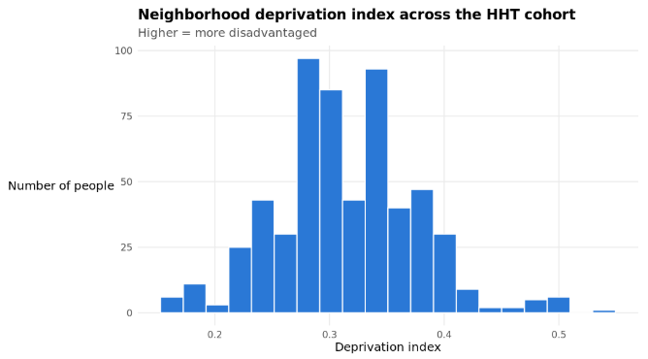

F - "Incidence"
